Calcs
 |  |  | 1960 | 1961 | 1962 | 1963 | 1964 | 1965 | 1966 | 1967 | 1968 | 1969 | 1970 | 1971 | 1972 | 1973 | 1974 | 1975 | 1976 | 1977 | 1978 | 1979 | 1980 | 1981 | 1982 | 1983 | 1984 | 1985 | 1986 | 1987 | 1988 | 1989 | 1990 | 1991 | 1992 | 1993 | 1994 | 1995 | 1996 | 1997 | 1998 | 1999 | 2000 | 2001 | 2002 | 2003 | 2004 | 2005 | 2006 | 2007 | 2008 | 2009 | 2010 | 2011 | 2012 | 2013 | 2014 | 2015 | 2016 | 2017 | 2018 | 2019 | 2020
 |  | diesel-train efficiency | 23% | 22.9% | 23.3% | 23.8% | 24.2% | 24.6% | 25.0% | 25.4% | 25.9% | 26.3% | 26.7% | 27.1% | 27.5% | 28.0% | 28.4% | 28.800% | 29.1% | 29.4% | 29.6% | 29.9% | 30.2% | 30.5% | 30.8% | 31.0% | 31.3% | 31.6% | 31.9% | 32.2% | 32.4% | 32.7% | 33% | 33.2% | 33.3% | 33.5% | 33.6% | 33.8% | 33.9% | 34.1% | 34.2% | 34.4% | 34.5% | 34.7% | 34.8% | 35.0% | 35.1% | 35.3% | 35.4% | 35.6% | 35.7% | 35.9% | 36% | 36.1% | 36.1% | 36.2% | 36.3% | 36.4% | 36.4% | 36.5% | 36.6% | 36.7% | 36.7%

 |  |  |  |  |  |  |  |  |  |  |  |  |  |  |  |  | 45

diesel-train efficiency

 | modern diesel trains, c. 2010
 | overall drawbar efficiency = |  |  |  |  | 36%

 | older diesel trains, c. 1990
 | overall drawbar efficiency = |  |  |  |  | 33%

 | oldest diesel trains, c. 1960
 | overall drawbar efficiency = |  |  |  |  | 23%

Bond, 1963 |  | Drawbar efficiency |  |  | 22.5%

Reistad, 1975 |  | Diesel engine efficiency = |  |  | 35%
 |  | other losses |  |  | 20%
 |  | drawbar efficency = 0.35*0.8 = |  |  | 28%

Angejos, 2009 |  | Diesel engine efficiency = |  |  | 39%

Babel, 2016 |  | Drawbar efficiency = |  |  | 35%

Rhodes, 2020 |  | Drawbar efficiency = |  |  | 36%

Bond 1963
Bond, R.C., 1963. A Commentary on the Change from Steam Traction on Great Britain's Railways, and Some Thoughts on the Future. Proceedings of the Institution of Mechanical Engineers, 178(1), pp.1-26.

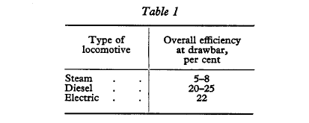

diesel and steam as expected c. 1960

Diesel train efficiency = 22.5% (1960)

here, we can see the grwoth of disel trains in the UK

Wang_2014
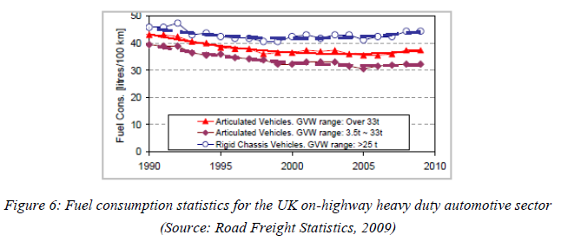
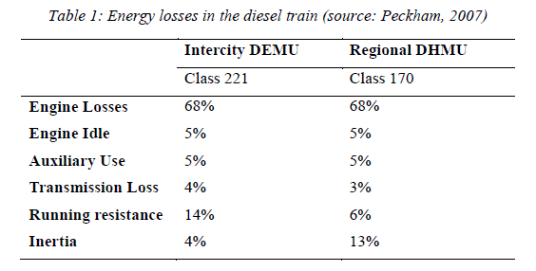
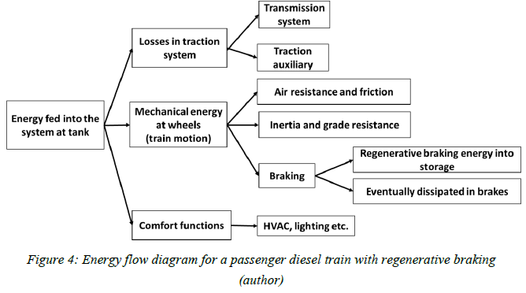
Wang (2014) - Energy Efficiency for Diesel Passenger Trains
http://etheses.bham.ac.uk/id/eprint/5496

